data
x_axis | y_axis
2015 | 38.947368421
2016 | 38.947368421
2017 | 39.938080495
2018 | 39.938080495
2019 | 39.938080495
2020 | 40.433436533
2021 | 40.433436533
2022 | 39.938080495
2023 | 39.938080495
2024 | 40.433436533
2025 | 40.92879257
2026 | 40.92879257
2027 | 41.424148607
2028 | 41.919504644
2029 | 41.919504644
2030 | 42.910216718
2031 | 43.405572755
2032 | 43.900928793
2033 | 44.39628483
2034 | 44.39628483
2035 | 44.39628483
2036 | 44.39628483
2037 | 44.39628483
2038 | 44.39628483
2039 | 44.39628483
2040 | 44.39628483
2041 | 44.39628483
2042 | 44.39628483
2043 | 44.39628483
2044 | 44.39628483
2045 | 44.39628483
2046 | 44.39628483
2047 | 43.900928793
2048 | 43.900928793
2049 | 43.900928793
2050 | 43.900928793
2051 | 43.900928793
2052 | 43.900928793
2053 | 43.405572755
2054 | 43.405572755
2055 | 42.910216718
2056 | 42.414860681
2057 | 42.414860681
2058 | 41.919504644
2059 | 41.424148607
2060 | 40.92879257
2061 | 40.92879257
2062 | 40.433436533
2063 | 39.938080495
2064 | 39.442724458
2065 | 38.452012384
2066 | 38.452012384
2067 | 38.452012384
2068 | 37.956656347
2069 | 36.965944272
2070 | 35.975232198
2071 | 35.479876161
2072 | 34.489164087
2073 | 33.99380805
2074 | 33.498452012
2075 | 33.003095975
2076 | 31.517027864
2077 | 30.030959752
2078 | 29.535603715
2079 | 28.544891641
2080 | 27.554179567
2081 | 26.563467492
2082 | 25.572755418
2083 | 24.582043344
2084 | 23.591331269
2085 | 22.105263158
2086 | 21.114551084
2087 | 20.123839009
2088 | 19.133126935
2089 | 17.647058824
2090 | 16.656346749
2091 | 15.665634675
2092 | 15.170278638
2093 | 14.674922601
2094 | 13.684210526
2095 | 12.693498452
2096 | 12.198142415
2097 | 11.702786378
2098 | 11.207430341
2099 | 9.7213622291

picture
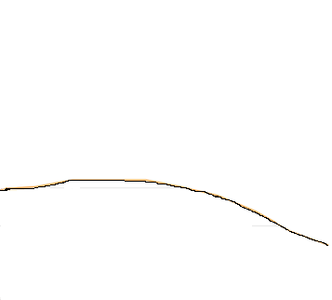

picture_original
